1. Title Page
Basket Analysis

Date: 3/21/24
Analyst Name: Matt Castle
Data Source: “The Instacart Online Grocery Shopping Dataset 2017”, Accessed from www.instacart.com/datasets/grocery-shopping-2017 via Kaggle on 3/30/2024
Note: Customer data, as well as "prices" column in the products set, were both fabricated.

Contents:
Population Flow
Consistency checks
Wrangling steps
Column derivations
Visualizations
Recommendations

2. Population Flow
Title page

Population flow

Exclusion flag
Condition: max_order < 5
Obervations to be removed: 1,440,295
Final total count of order_products_all: 30,964,564ThN

Orders_products_combined
Orders_products_merged
Orders_products_all

Total: 32,404,859
Total: 32,434,489
Total: 32,404,859

1.) The grey boxes in the first row of the population flow represent the original data sets as they were when you downloaded them. In the Total fields you need to add the count of the rows when you imported the data set into Jupyter.
2.) The second row of boxes (coloured) represents the data sets after you manipulated them, e.g., removed missing values and duplicates. In the Total fields you need to add the count of the rows after conducting these operations. This offers a visual oveview of how the data flows throughout the data consistency checks.
3.) The third row, where also the arrows are coloured, represents the merges you performed between the datasets. In the Total fields you need to add the count of the rows in the merged datasets, so that you end up with the final dataset (in the red box). Keep in mind the final dataset should be without exclusions (based on the exclusion flag).

3. Consistency checks
 |  |  |  | Title page
Consistency checks

Dataset | Missing values | Missing values treatment | Duplicates
orders | 206209 | For every user_id's first order, there is a missing value in the days_since_prior_order column. This is because there can't be an order prior to the user_id's first order. In this case "NaN" is a suitable value. | No Duplicates
products | 16 missing in product_name | created new subset df_prods_clean without the missing values | There were 5 duplicates. New dataframe was created without the duplicates.
orders_products_prior | No missing values | n/a | No Duplicates
customers | No missing values | n/a | No Duplicates

4. Wrangling steps
 |  |  |  | Title page
Wrangling steps

Columns dropped | Columns renamed | Columns' type changed | Comment/Reason
 | df_ords [order_dow] ---> orders_day_of_week |  | In the interest of more intuitive naming
 |  | df_ords [order_id] type changed to str | Non-numeric values
 |  | df_ords [user_id] type changed to str | Non-numeric values
 | df_ords [order_hour_of_day] ---> hour_orderd |  | In the interest of more intuitive naming
df_ords [eval_set] |  |  | Column contained one value throughout dataframe
df_ords [Unnamed: 0, Unnamed: 0.1] |  |  | Columns were merely counts of the rows in the dataframe
 |  | df_ords [order_id, user_id, order_number, orders_day_of_week, hour_ordered, days_since_prior_order] | Data types changed in order to reduce potential memory problems
 |  | df_ords_prior [order_id, product_id, add_to_card_order, reordered] | Data types changed in order to reduce potential memory problems
df_prods [Unnamed: 0] |  |  | Column was merely counts of the rows in the dataframe
 |  | df_prods [product_id, aisle_id, department_id] | Data types changed in order to reduce potential memory problems
df_customer [First Name, Surnam] |  |  | Columns contained personally identifiable information
prepped_IC_df [_merge] |  |  | Column was byproduct using 'indicator=True' in order to check for full match
 | df_customer [Gender, STATE, Age, n_dependants, fam_status] |  | Columns renamed for uniformity, spelling and/or claification purposes
 |  | df_customer [user_id, age, dependents, income] | Data types changed in order to reduce potential memory problems
df_ac [_merge] |  |  | Unnecessary column left over from a merge
df_ac [exlusion_flag] |  |  | Unnecessary column left over after identifying/dropping customers with less than 5 total orders placed
 | df_depw [Unnamed: 0] |  | Renamed in order to signify department ID's
 |  | df_depw [department_id] | Renamed in order to merge new columns onto full dataframe

5. Column derivations
 |  |  |  | Title page

Column derivations and aggregations

In this tab you should add tables below that the frequences of flags/label variables that you produced after deriving them. NB: don't do this for continuous variables, only for flags.
Dataset | New column | Column/s it was derived from | Conditions
orders_products_merged_derived | price_label | prices | Items $5 or less = Low-range product; items $6 - $15 = Mid-range product; items $16 and up = High range
 | busiest_day | orders_day_of_week | If Saturday(0) then = Busiest day; if Wednesday(4) then = Least busy; if any other day then = Regularly busy
 | busiest_period_of_day | hour_ordered | Most orders = top 8 busiest hours; Fewest orders = bottom 8 busiest hours; Average orders = middle-busy hours
 | price_range_loc | prices | Items $5 or less = Low-range product; items $6 - $15 = Mid-range product; items $16 and up = High range
 | busiest_days | orders_day_of_week, busiest day | If Saturday(0) or Sunday(1) then = Busiest days; if Tuesday(3) or Wednesday(4) then = Least busy days; if any other days then = Regularly busy days
ords_prods_merged_derived | max_order | user_id, order_number | Maximum orders made by each user_id
 | loyalty_flag | max_order | More than 40 orders = Loyal customer; between 11-40 orders = Regular customer; 10 orders or less = New customer
ords_prods_new_merged | mean_prices | user_id, prices | Average price across user_id purchases
 | spending_flag | mean_prices | If avg prices of products purchased by a user is lower than $10 then = Low spender; if $10 or above then = High spender
 | median_days_since_prior_order | user_id, days_since_prior_order | Median days since user_id's last order
 | frequency_flag | median_days_since_prior_order | If median days since user_id's last order is more than 20 then = Non-frequent customer; if between 11-20 days then = Regular customer; if 10 days or lower then = Frequent customer
acceptable_customers | region | state | Based on Wikipedia regional groupings of US states
 | exclusion_flag | max_order | If max_order is less than 5 then = Low-activity; if greater than or equal to 5 then Acceptable
IC_final_data | age_group | age | Split into groups by generation
 | income_level | income | Split into groups by income
 | drinker | user_id, department: alcohol | If user_id has ordered from alcohol department then = Yes; if not then = No
 | meat_eater | user_id, department: meat seafood | If user_id has ordered from meat seafood department then = Yes; if not then = No
 | buys_in_bulk | user_id, department: bulk | If user_id has ordered from bulk department then = Yes; if not then = No

6. Visualizations
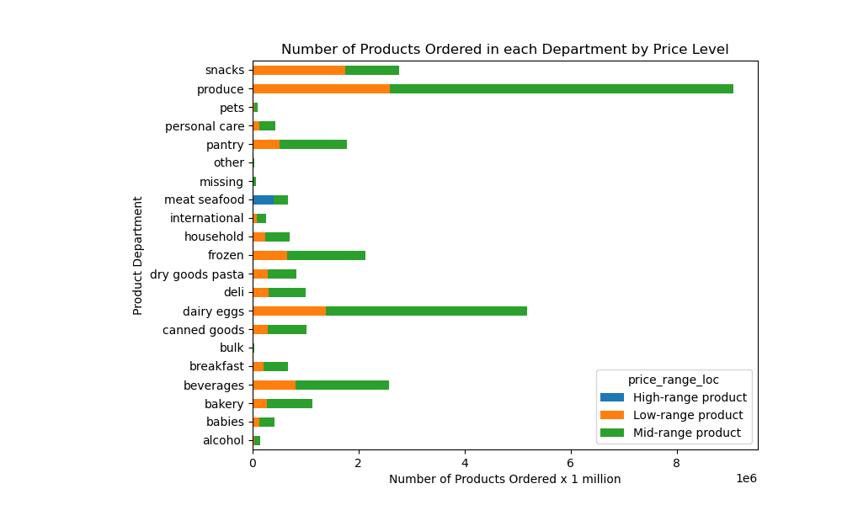
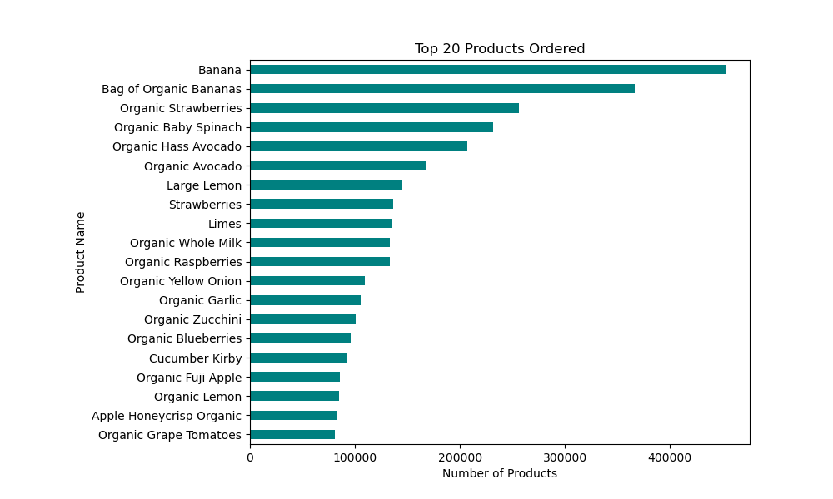
 |  | Title page

Visualisations

In this tab you should include all the visualtions from Exercises 4.9 and 4.10, alongside the questions from the project brief that they answer. Include any commentary on the relationship between different variables.

● The sales team needs to know what the busiest days of the week and hours of the day are (i.e., the days and times with the most orders) in order to schedule ads at times when there are fewer orders.

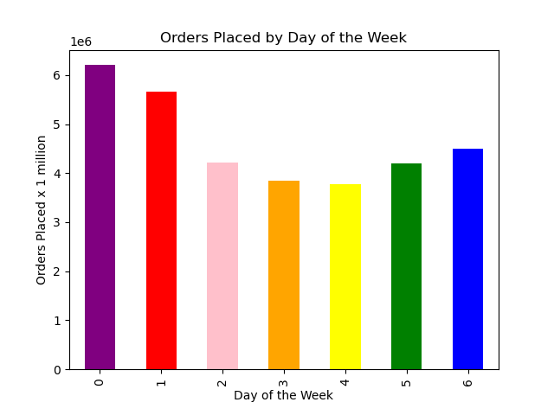
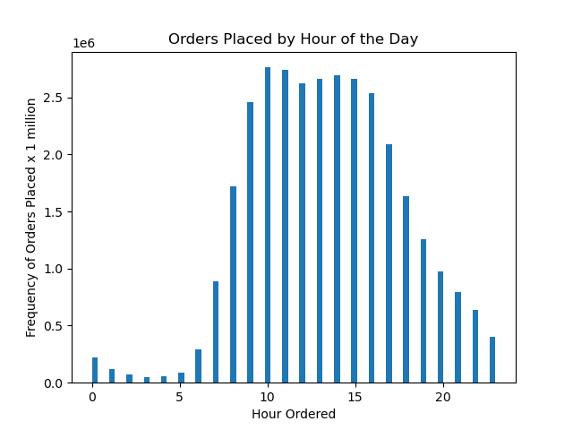

 | The weekends are the busiest: Saturday, then Sunday. Friday receives roughly 1.2 million less orders than Saturday. Monday and Thursday are next, and then Tuesday and Wednesday are last. |  | The vast majority of orders are placed between the hours of 10am and 5pm. Ordering activity is by far the lowest between the hours of 2am and 6am. There is a sharp rise between 7am and 9am. Then a gradual fall from 6pm to 1am. 10am is the most active hour. 4am is least active.

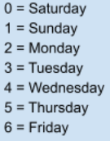

 |  |  | Note: 0 on the hour scale = 1am and 23 =midnight.

● They also want to know whether there are particular times of the day when people spend the most money, as this might inform the type of products they advertise at these times.

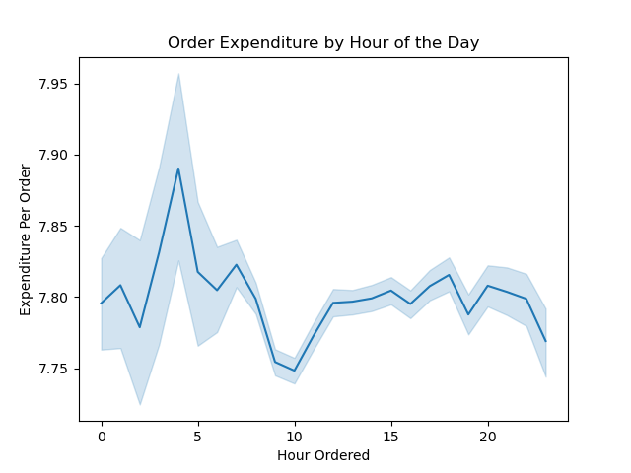

 | Based on a sample of the entire data, the highest expenditure per order comes at 5am. The lowest expenditure per order is at 10am. The translucent bands around the line represent the confidence inervals due to the sampling.

 | Note: hour 0 = 1am, and 23 =midnight.

● Instacart has a lot of products with different price tags. Marketing and sales want to use simpler price range groupings to help direct their efforts.

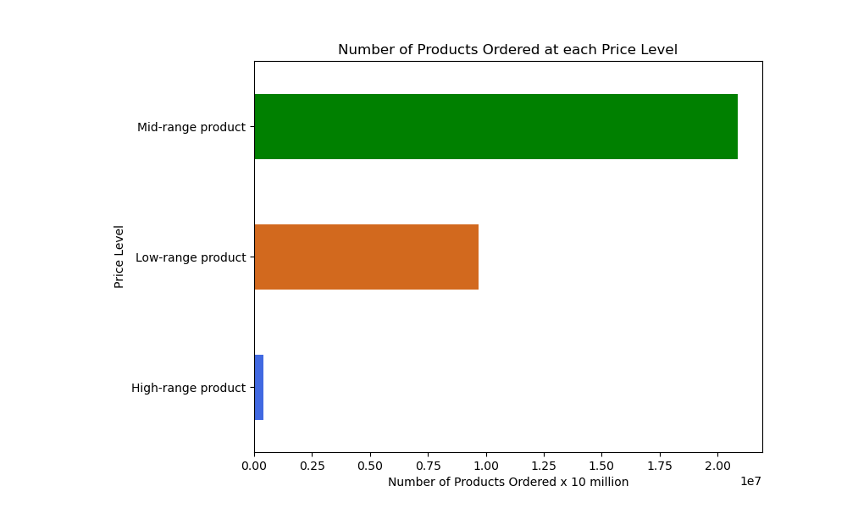

Mid-range products, those between $6 and $15, are the most-ordered products.

● Are there certain types of products that are more popular than others? The marketing and sales teams want to know which departments have the highest frequency of product orders.

7. Recommendations

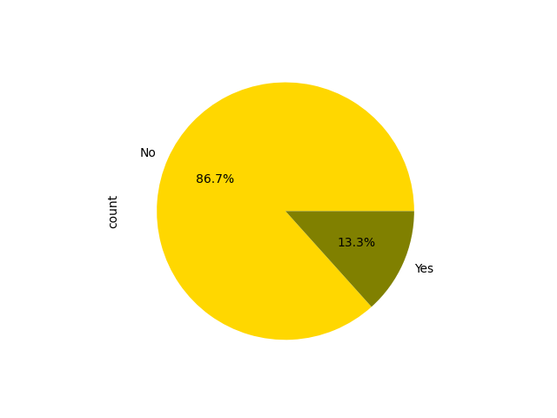
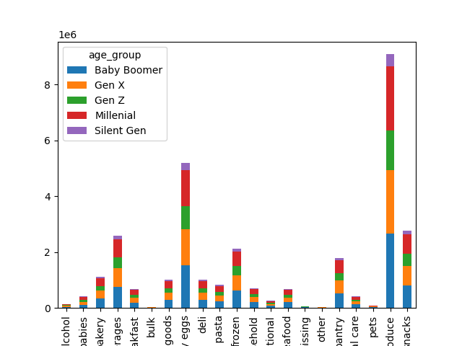
 |  |  |  | Title page

Recommendations

In this tab you should include any recommendations you would make to Instacart in terms of their marketing strategy based on the questions posed in the brief. Every key question has been covered in the Tasks of the Exercises - here you need to add an item - a visualisation or table/crosstable that is showing the answer in the data, acompanied by a comment from you. Please, list the questions below and add the answer underneath.

Key Question 1 - What's the distribution among users in regards to their brand loyalty (i.e., how often do they return to Instacart)?
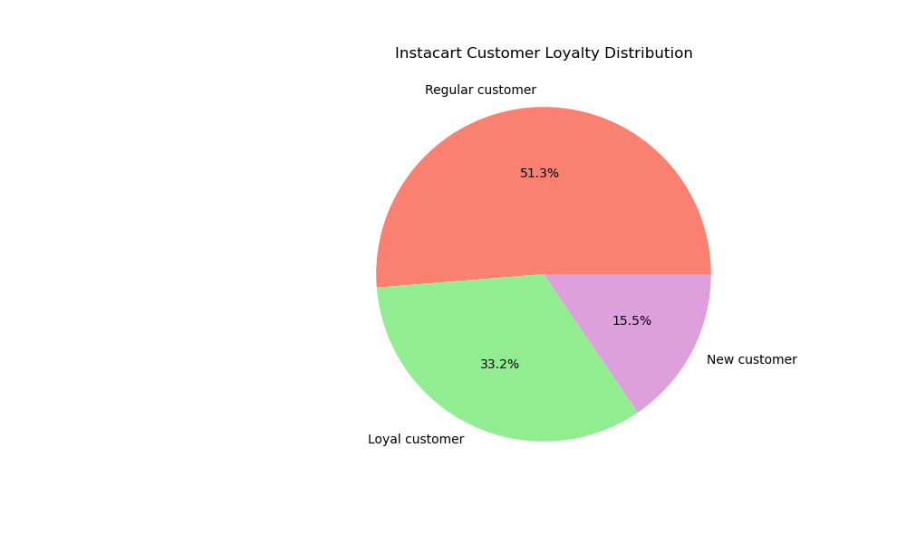

Regular customers, those who have placed between 11 and 40 orders with IC make up more than half of the customer base. It would likely benefit IC to market to these customers with targeted offers and deals on the products they have previously ordered. Loyalty programs would likely help to retain loyal and regular customers. Personalized marketing and incentivized referrals and feedback would likely prove helpful in further solidifying loyal customers. E-mail and social media marketing can help build relationships and promote sales with new customers.

Key Question 2 - Are there differences in ordering habits based on a customer's loyalty status?

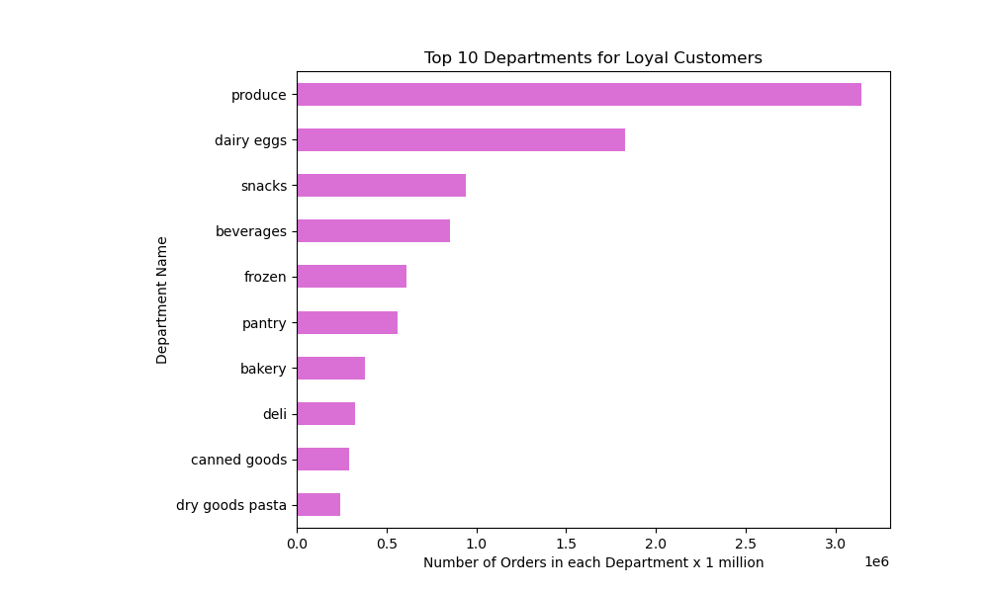

Loyal, regualar and new customers largely order from the same departments overall. Offering big discounts on new and different products will especially encourage newer customers to try out more products.

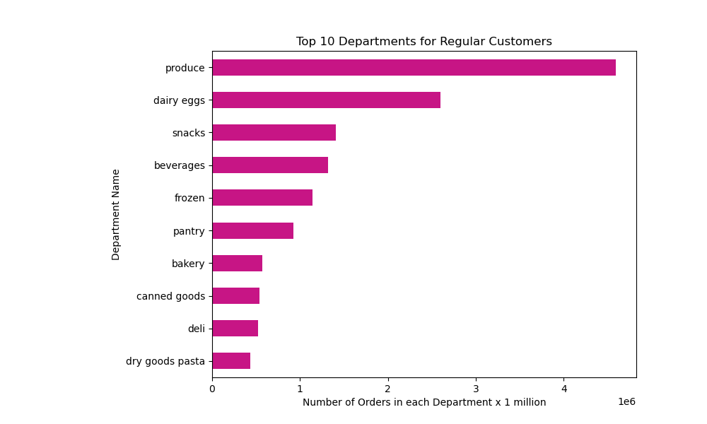

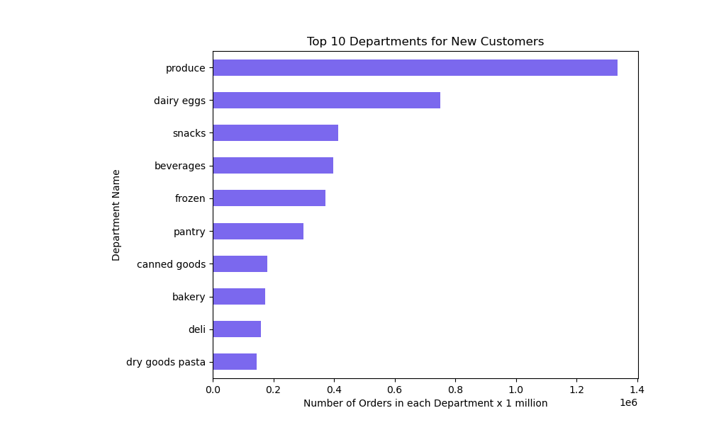

Key Question 3 - Are there differences in ordering habits based on a customer's region?
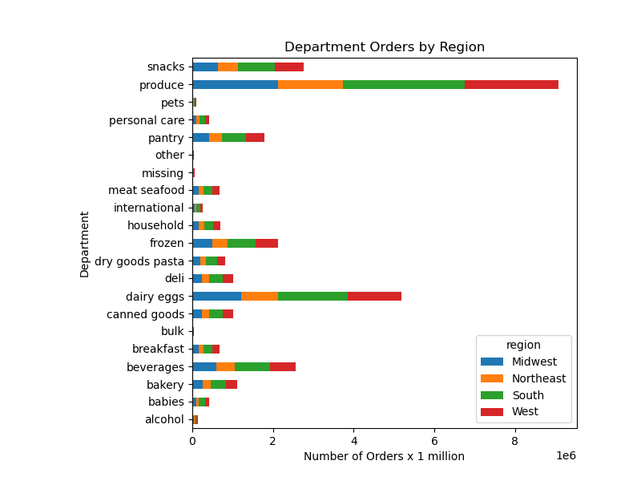

Produce, dairy/eggs, snacks, beverages, and frozen foods are the most popular departments among customers in all regions.

 |  | Alcohol Orders by Region
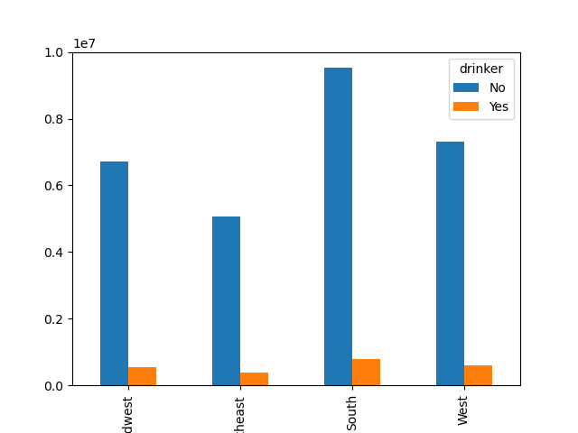

Alcohol orders are not very high among IC customers in any region. It would not be beneficial to market these products very aggressively.

 | Mi | Nort

 |  | Bulk Orders by Region
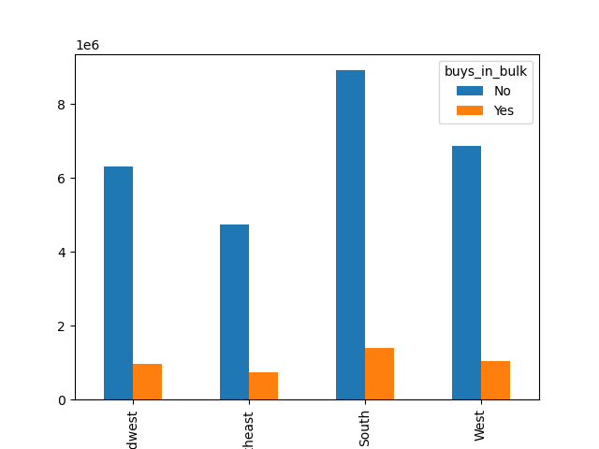

Bulk products are not highly sought after by IC customers.

 | Mi | Nort
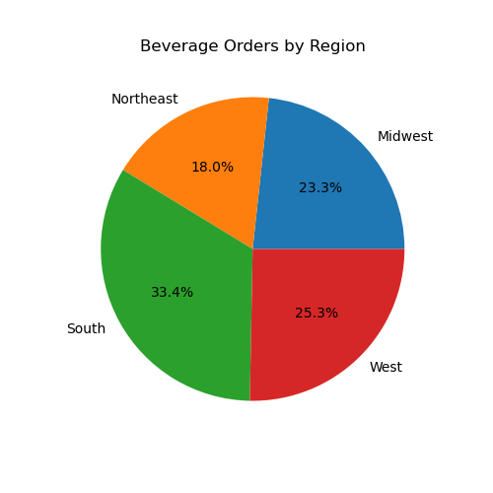

One-thinrd of all beverage orders are placed in the South region. Heavier marketing in this region would likely generate more beverage orders.

Key Question 4 - Is there a connection between age and family status in terms of ordering habits?
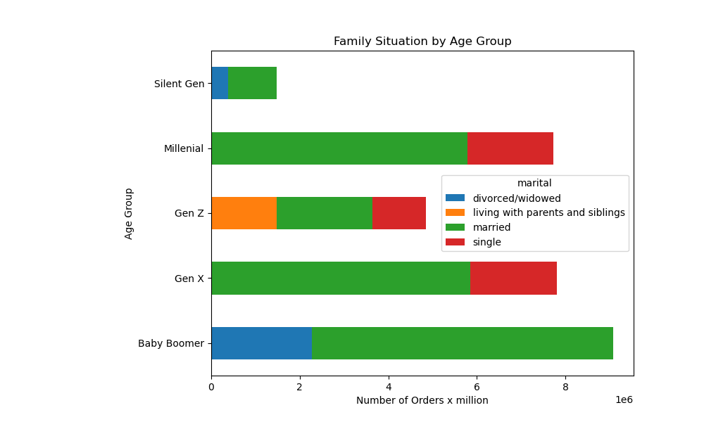

Married couples make up the largest portion of IC customers among all age groups. Marketing products geared toward this demographic makes the most sense.

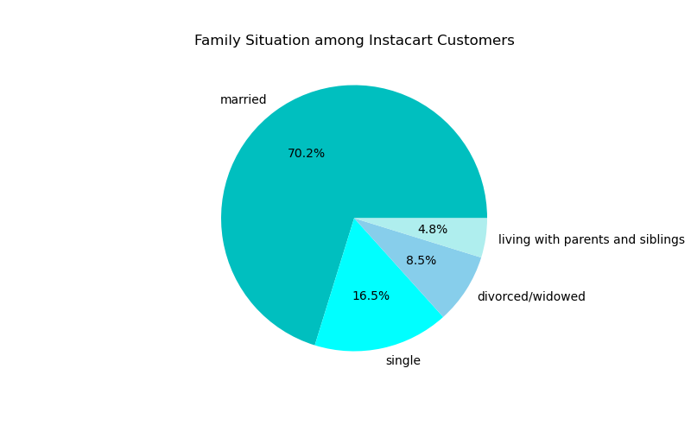
Key Question 5 - What different classifications does the demographic information suggest? Age? Income? Certain types of goods? Family status?

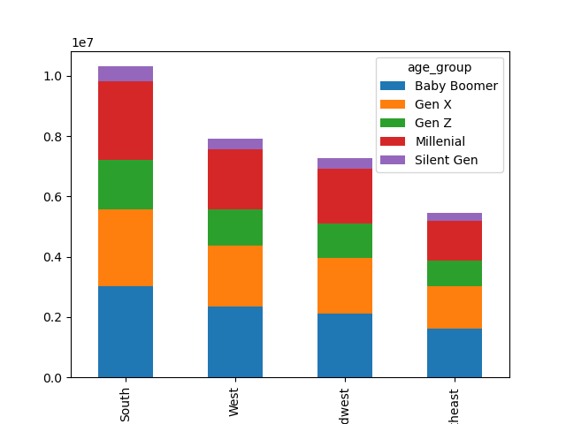

The vast majority of IC customers are married.
Age groups are nearly evenly distributed within each region.

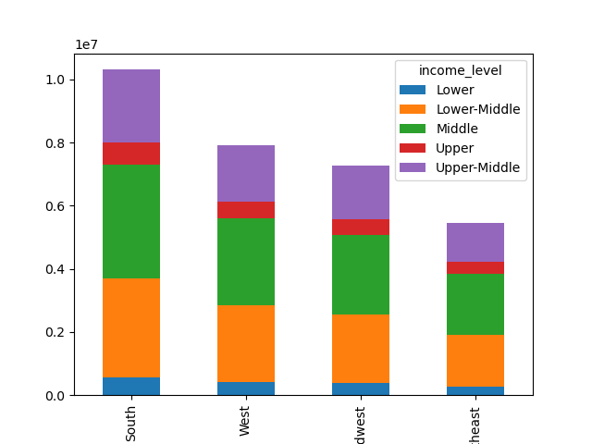

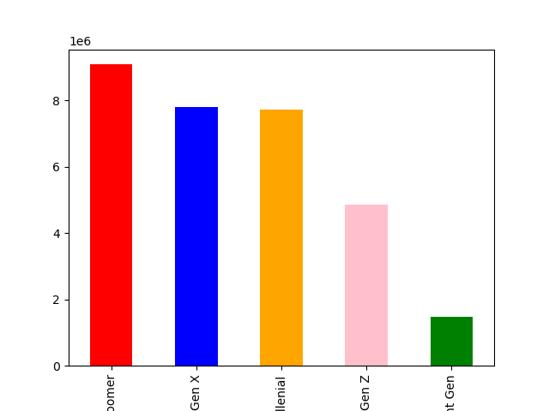

Lower-middle to upper-middle earners (those with an income between $40k and $160k) make up the largest active IC customer base by far.
Gen Z, or those under 28 years of age, make up the smallest active demographic among age groups of IC customers.

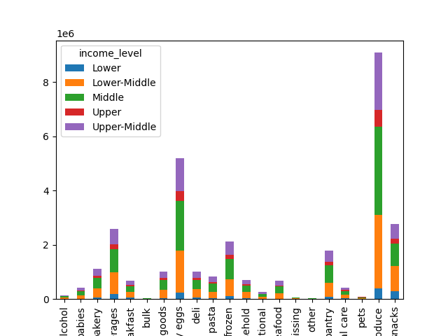

Marketing to the lowest and highest income brackets would not make sense.

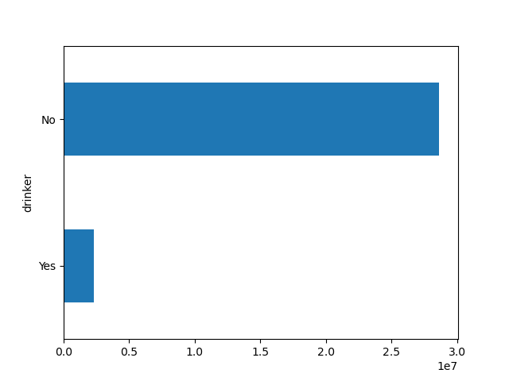
Key Question 6 - What differences can you find in ordering habits of different customer profiles?
 |  |  | Alcohol Orders by Users
 |  | Meat Orders by Users
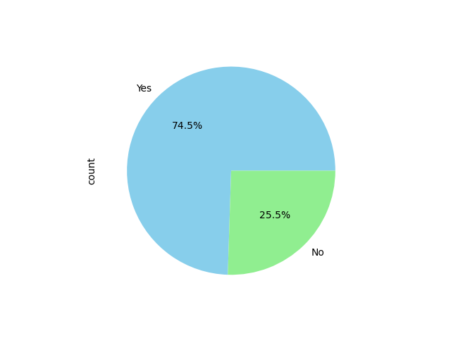

Key Question 7 - Consider the price of orders, the frequency of orders, the products customers are ordering, and anything else you can think of.

